Лист1
ID | Summary | Description | Steps to reproduce | Severity | Prioriti | Symptom | Reproducibility | Work around | Attachment | Status
№001 | After clicking on the number [3], it is incorrectly displayed on the nampad | When you click on [3] in the digits field, the digit climbs to the border of the button. Actyal result: The digit [3] crosses the border of the button Expected result: The number [3] is displayed in the border of the button Environment: Win 8 Requirmqnt ID: 9.1 Additional Info | Precondition. 0.1 Download (exe.) from TBD 0.2 Try double-clicking on the app icon "Калькулятор" to launch it. 1. Click [3], | Minor | Normal | Cosmetic flaw | Always | no |  | OPEN
№002 | When the [5] button is pressed, [55] is displayed on the I/O screen | When you press the number [5], [55] is displayed on the I/O screen Actyal result: [55]on the I/O screen Expected result: [5]on the I/O screen Environment: Win 8 Requirmqnt ID: 9.1 Additional Info | Precondition. 0.1 Download (exe.) from TBD 0.2 Try double-clicking on the app icon "Калькулятор" to launch it. 1. Click [5], | Major | High | Incorrect operation | Always | To bypass the error, the extra digit can be erased by clicking on [<] |  | OPEN
№003 | Incorrect display of the [6] button on the I/O screen when it is pressed. | When the [6] button is pressed, [9] is displayed on the I/O screen. Actyal result: [9]on the I/O screen Expected result:[6] on the I/O screen Environment Requirmqnt ID Additional Info | Precondition. 0.1 Download (exe.) from TBD 0.2 Try double-clicking on the app icon "Калькулятор" to launch it. 1. Click [6], | Major | High | unexpected behavior |  | no |  | OPEN
№004 | The [8] button disappears on the numbers screen after clicking on it. | After pressing the [8] button, it disappears from the digits screen and becomes non-clickable, but is displayed on the I/O screen. Actyal result: In the field of numbers 123456790 Expected result: In the field of numbers 1234567890 Environment Requirmqnt ID Additional Info | Precondition. 0.1 Download (exe.) from TBD 0.2 Try double-clicking on the app icon "Калькулятор" to launch it. 1. Click [8], | Major | ASAP | unexpected behavior | Always | no |  | OPEN
№005 | Incorrect display of the [9] button on the I/O screen when it is pressed. | When the [9] button is pressed, [6] is displayed on the I/O screen. Actyal result: [6] on the I/O screen Expected result: [9]on the I/O screen Environment: Win 8 Requirmqnt ID Additional Info | Precondition. 0.1 Download (exe.) from TBD 0.2 Try double-clicking on the app icon "Калькулятор" to launch it. 1. Click [9], | Major | High | unexpected behavior | Always | no |  | OPEN
№006 | Incorrect display of the [0] button in the digits field after click | After pressing the [0] button, it changes color from gray to blue. Actyal result: The color of the button is blue after pressing. Expected result: The color of the button is gray after pressing. Environment: Win 8 Requirmqnt ID Additional Info | Precondition. 0.1 Download (exe.) from TBD 0.2 Try double-clicking on the app icon "Калькулятор" to launch it. 1. Click [0], | Medium | Low |  | Always | no |  | OPEN
№007 | There is no sequence of actions | When you type any expression, it is not displayed on the I/O screen. For example (1+1) Actyal result: not displayed on the I/O screen Expected result: 1+1 on the I/O screen Environment Requirmqnt ID 5 Additional Info | Precondition. 0.1 Download (exe.) from TBD 0.2 Try double-clicking on the app icon "Калькулятор" to launch it. 1. Click [1], 2. Click [+], 3. Click [1], | Medium | High | discrepancy with requirements | Always | no |  | OPEN
№008 | The [pig-dog] button does not meet the requirements | [pig-dog] button does not meet the requirements, but performs the function of squaring a number. Actyal result: Button display [pig-dog] Expected result: Button display [x2] Environment Win 8 Requirmqnt ID 9.3.1 Additional Info: The button performs the squaring function correctly | Precondition. 0.1 Download (exe.) from TBD 0.2 Try double-clicking on the app icon "Калькулятор" to launch it. 1. Click [Выбор], 2. Click [Инджинерный], | Critical | ASAP |  | Always | no |  | OPEN
№009 | A picture of a pig dog appears on the desktop after clicking on the [pig dog] button | When repeatedly pressing (3-15) on the [pig-dog] button, a picture with the image of this button appears on the desktop Actyal result: Image of [pig-dog] Expected result: nothing Environment Requirmqnt ID Additional Info | Precondition. 0.1 Download (exe.) from TBD 0.2 Try double-clicking on the app icon "Калькулятор" to launch it. 1. Click [Выбор], 2. Click [Инджинерный], 3. Сlick any number from 2 to 9 4. (3-15) clicks [pig-dog] | Critical | Normal | WTF | sometimes | no | 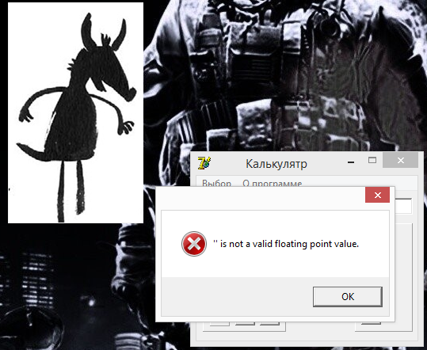 | OPEN
№010 | If you press 3 times between the buttons on the numeric field, the calculator closes. | After pressing once between the buttons on the numeric field, the error "What are you pressing where you don't get!" appears, but if you repeat the action 2 more times, the calculator will shut down. Actyal result: error "Чё жмёшь куда не попадя!", after 3 repetitions, the calculator closes. Expected resul: continued operation without errors Environment: Win 8 Requirmqnt ID: - Additional Info: - | Precondition. 0.1 Download (exe.) from TBD 0.2 Try double-clicking on the app icon "Калькулятор" to launch it. 0.3 in the menu bar, click the "Выбор" button, select the "Инджинерный" mode 1. click between any digits in the digits field 2. in the error window "Чё жмёшь куда не попадя!" click "ok" 3. repeat the previous steps 3 times. | Medium | ASAP | unexpected behavior System crash | Always | no |  | OPEN
№011 | When dividing by 0, we get the wrong solution | When dividing by 0, any number shows its negative value.(For example 1/0) Actyal result: -1 Expected resul: 0 Environment: Win 8 Requirmqnt ID: Additional Info: | Precondition. 0.1 Download (exe.) from TBD 0.2 Try double-clicking on the app icon "Калькулятор" to launch it. 1.Click [8] 2.Click [/] 3.Click [0] 4.Click [=] | Major | Normal | Varianse from spec | Always | no |  | OPEN
№012 | 1.The color of the field of engineering functions changes. | If, before choosing an engineering mod, click on the "О программе" button, the background color of the engineering buttons changes to brown Actyal result: Brown background Expected resul: Background grey Environment: Requirmqnt ID: Additional Info: The color will change regardless of whether an engineering mod was selected before or not. That is, even if you click the "О программе" button in the engineering mod and select the engineering mod again, the color will change. | Precondition. 0.1 Download (exe.) from TBD 0.2 Try double-clicking on the app icon "Калькулятор" to launch it. 1.Click [О программе] 2.Click [Выбор] 3.Click [Индженерный] | Minor | Normal | Varianse from spec Cosmetic flaw | Always | no | 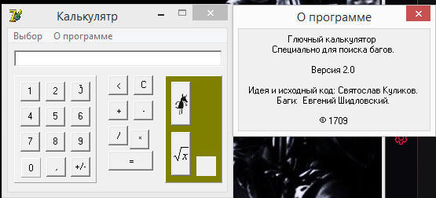 | OPEN
№013 | If click next to the Engineering Functions buttons, the calculator will crash | If you enter a number greater than five digits in engineering mode and press the [pig-dog] button, the calculator will crash Actyal result: crash Expected resul: without changes Environment: Requirmqnt ID: Additional Info: | Precondition. 0.1 Download (exe.) from TBD 0.2 Try double-clicking on the app icon "Калькулятор" to launch it. 0.3.Click [О программе] 0.4 Click [Выбор] 0.5 Click [Индженерный] 1. Click [5] 2. Click [pig-dog] 3. Click [pig-dog] 4. Click beside the button[pig-dog] OR 1. Click [5] 2.Click [5] 3.Click [5] 4. Click [5] 5. Click [5] 6. Click [5] 7. Click to the right of the button [pig-dog] | Critical | High | unexpected behavior crash system | Always | no |  | OPEN
№014 | The division of a positive number by a negative number is performed incorrectly. | If you divide any number by negative, the answer is incorrect. (For example 4/-2) Actyal result: -1 Expected resul: -2 Environment: Win 8 Requirmqnt ID: 22.4 Additional Info: | Precondition. 0.1 Download (exe.) from TBD 0.2 Try double-clicking on the app icon "Калькулятор" to launch it. 1. Click [4] 2. Click [/] 3. Click [+/-] 4. Click [2] 5. Click [=] | Major | High | unexpected behavior | Always | no |  | OPEN
№015
№016
№017
№018
№019
№020
№021
№022
№023
№024
№025
№026
№027

